Citation
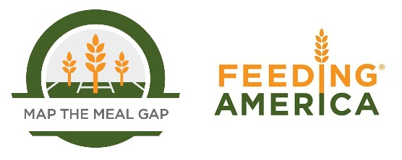

When using this data, please cite as follows:
Gundersen, C., Strayer, M., Dewey, A., Hake, M., & Engelhard, E. (2021). Map the Meal Gap 2021: An Analysis of County and Congressional District Food Insecurity and County Food Cost in the United States in 2019. Feeding America.

